Paper Feeder Unit Ass'y
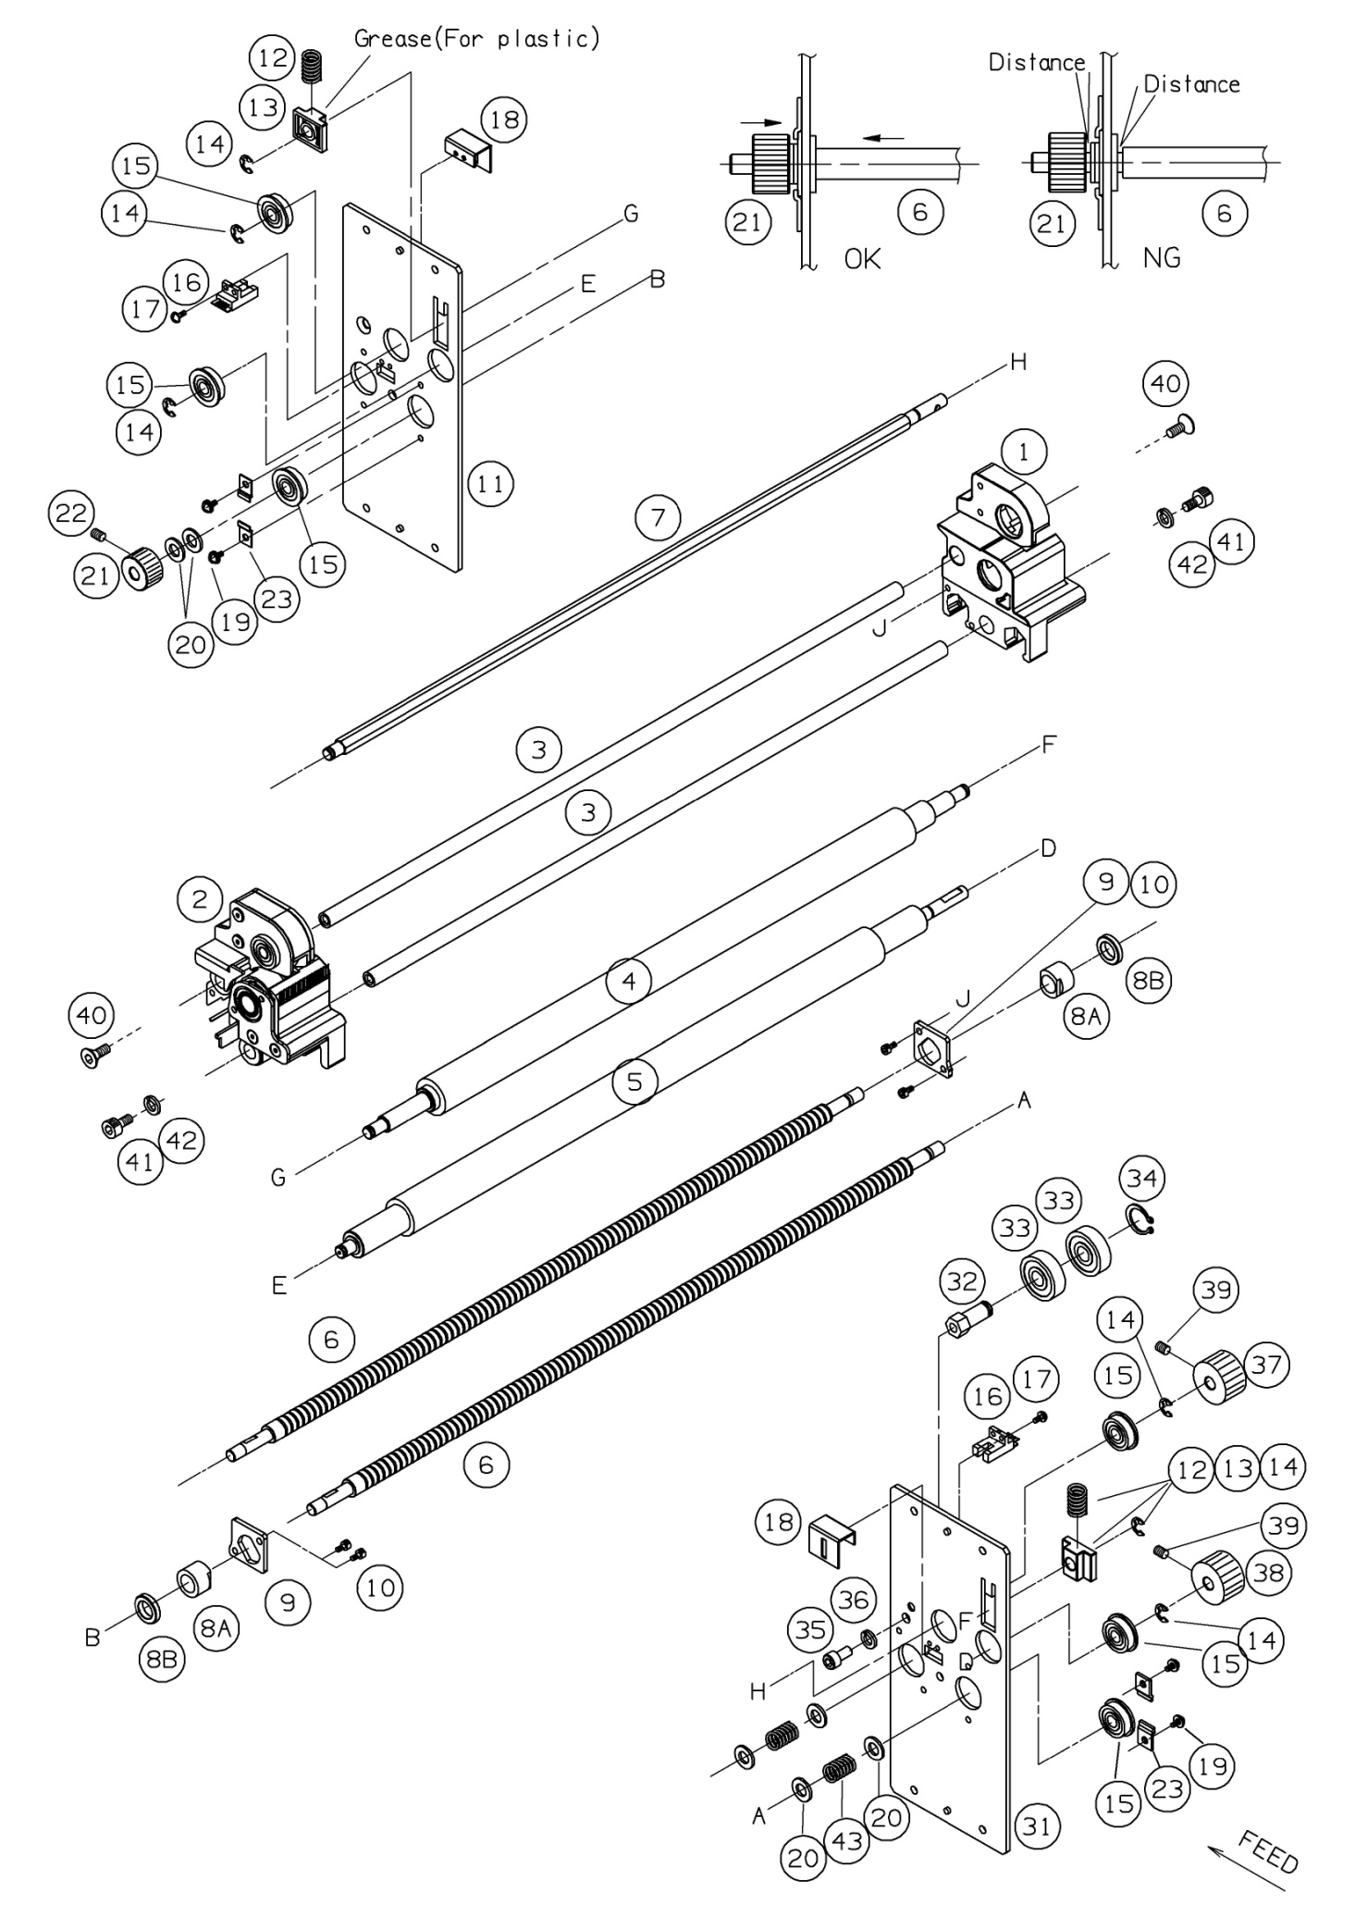
 | Ref. No | Pars No. | Parts name | 適用 | 適用 | Remarks
 |  |  |  | Region | 規格
TRUE | B-V10 | B-V10 | Pick up frame
FALSE | B-V17 | B-V17 | Pick up cover
TRUE | B-K1 | B-K1 | Handle
TRUE | B-12 | B-12 | Pick up motor
TRUE | B-14 | B-14 | Motor shaft pulley
TRUE | B-15 | B-15 | Timing belt
FALSE | B-18 | B-18 | Roller shaft
FALSE | B-19 | B-19 | Roller shaft pulley
TRUE | B-20 | B-20 | Bearing
FALSE | B-51N | B-51N | Ａｓｓ’ｙ Pick up roller Ass'y
FALSE | B-16 | B-16 | Pick up roller rubber
TRUE | B-17 | B-17 | Pick up holder
FALSE | B-21 | B-21 | One-way clutch
FALSE | B-22 | B-22 | Set screw
FALSE | B-31 | B-31 | Caution label for Paper feeder unit
FALSE | B-F1 | B-F1 | Spiral tube
TRUE | B-F2 | B-F2 | Flexible bush
FALSE | B-34 | B-34 | Grommet
FALSE | B-V18 | B-V18 | Stopper for paper feeder unit
TRUE | X-1E | X-1E | Washer
FALSE | P-4 | P-4 | B-SEMS M3x6
TRUE | P-9 | P-9 | B-SEMS M4x8
FALSE | P-22 | P-22 | hex socket set M3x3
FALSE | P-13 | P-13 | flat head M3x5
FALSE | P-38 | P-38 | E-5
FALSE | P-39 | P-39 | E-6
FALSE | C-11 | C-11 | Sticker with sponge
FALSE | B-59N | B-59N | Support shaft

Paper Feeder Tray Ass'y
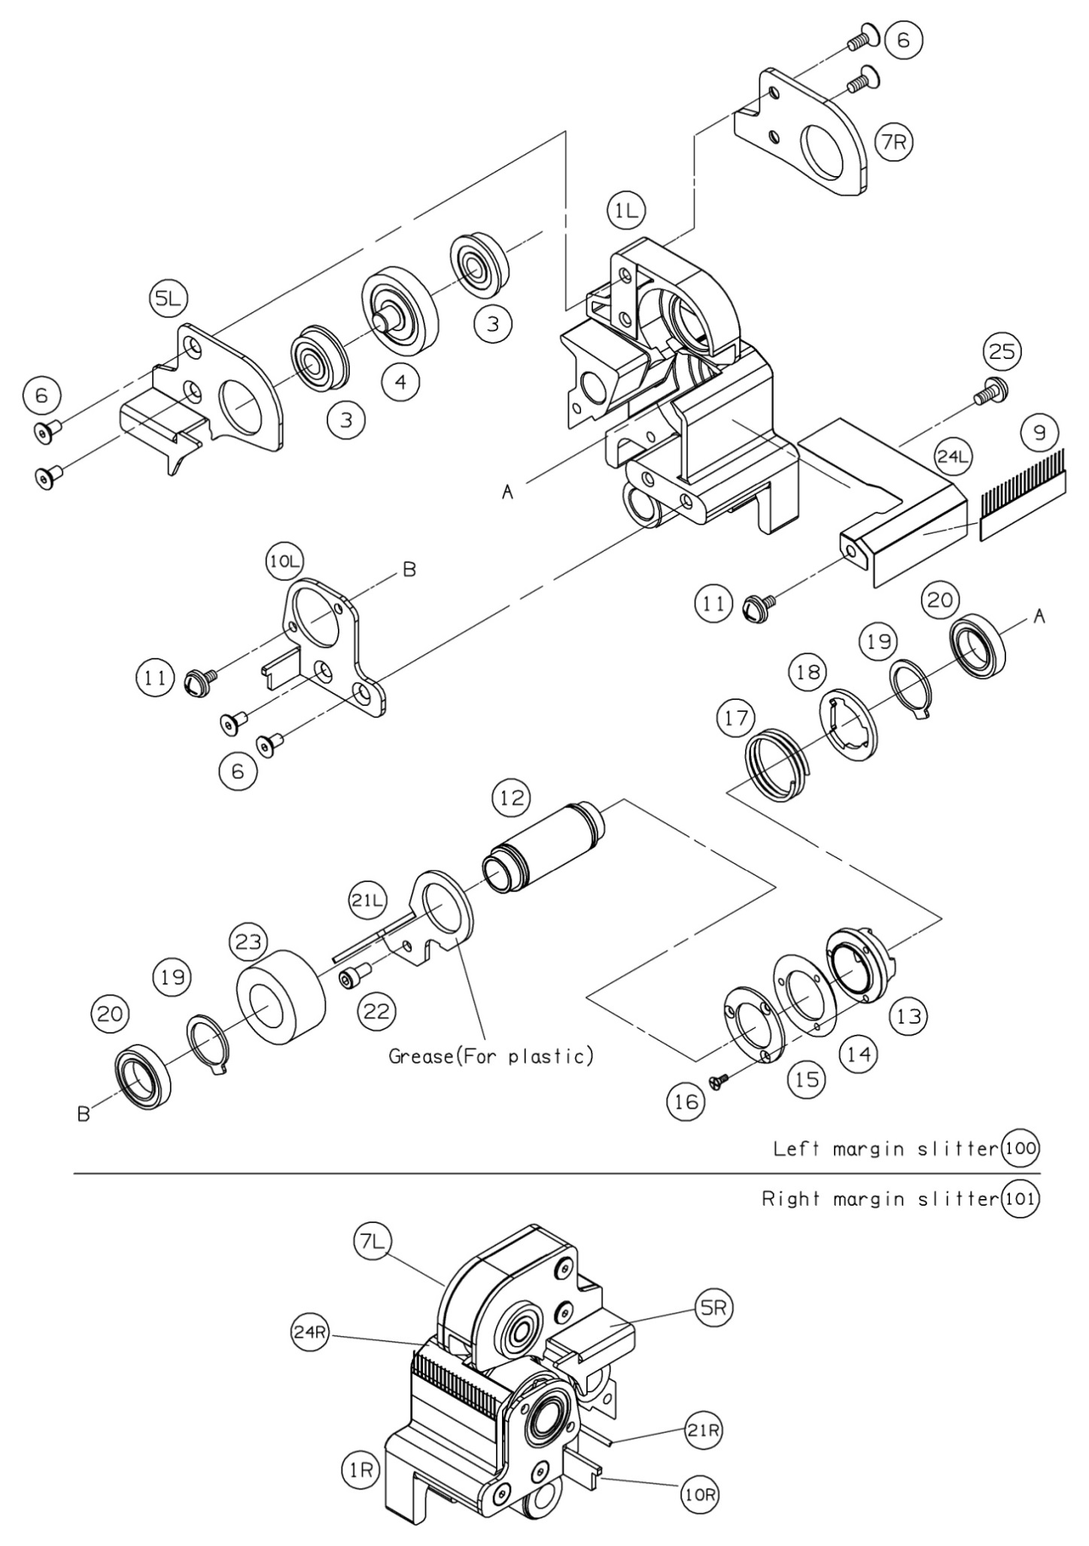
 | Ref. No | Pars No. | Parts name | 適用 | 適用 | Remarks
 |  |  |  | Region | 規格
FALSE | A-V1 | A-V1 | Hopper frame 1
FALSE | A-V2B | A-V2B | Hopper plate for EUR,US 1
0 | A-V3 | A-V3 | Side guide(L) 1
TRUE | A-AS1 | A-AS1 | Ａｓｓ’ｙ Side guide R Ass'y 1 |  |  | FL608ZZ
FALSE | A-V4 | A-V4 | Side guide(R) 1
FALSE | A-6 | A-6 | Flat spring 2
FALSE | P-12 | P-12 | flat head M2x5 4
TRUE | P-26 | P-26 | hex M2 4 |  |  | M4x8
FALSE | P-34 | P-34 | split lock M2 4
FALSE | A-7N | A-7N | Hopper shaft 2
TRUE | A-8 | A-8 | Spring stay 4 |  |  | L47
FALSE | A-9A | A-9A | Spring 2
FALSE | A-11 | A-11 | Cork sheet 1
FALSE | A-51 | A-51 | Tapes, both sides 1 |  |  | M4x8+SW+W
FALSE | A-12 | A-12 | Fix screw 2
FALSE | A-LA4 | A-LA4 | Label for Paper feeder tray EUR,US 1
FALSE | P-13 | P-13 | flat head M3x5 2
FALSE | P-4 | P-4 | B-SEMS M3x6 6
FALSE | P-37 | P-37 | E-4 4 |  |  | M2.5x6

